Лист1
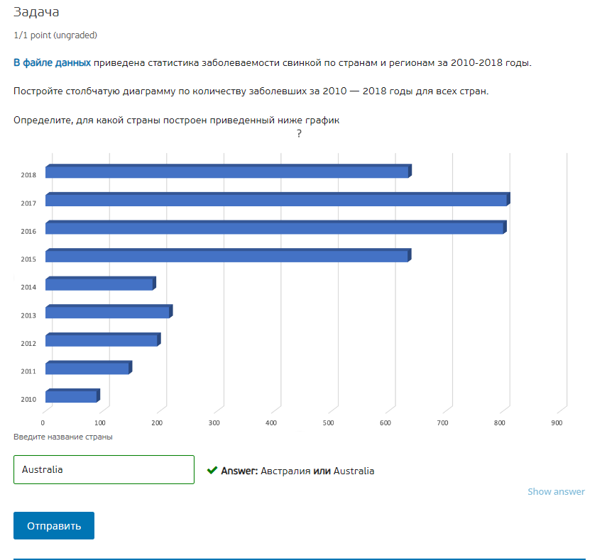
Cname | Year | Number of cases | Cname | Australia
Argentina | 2010 | 5083
Argentina | 2011 | 5481 | Названия строк | Сумма по полю Number of cases
Argentina | 2012 | 4619 | 2010 | 89
Argentina | 2013 | 3772 | 2011 | 145
Argentina | 2014 | 87 | 2012 | 195
Argentina | 2015 | 156 | 2013 | 216
Argentina | 2016 | 74 | 2014 | 187
Argentina | 2017 | 4396 | 2015 | 633
Argentina | 2018 | 7715 | 2016 | 800
Armenia | 2010 | 38 | 2017 | 806
Armenia | 2011 | 15 | 2018 | 634
Armenia | 2012 | 6 | Общий итог | 3705
Armenia | 2013 | 2
Armenia | 2014 | 2
Armenia | 2015 | 4
Armenia | 2016 | 1
Armenia | 2017 | 8
Armenia | 2018 | 4
Australia | 2010 | 89
Australia | 2011 | 145
Australia | 2012 | 195
Australia | 2013 | 216
Australia | 2014 | 187
Australia | 2015 | 633
Australia | 2016 | 800
Australia | 2017 | 806
Australia | 2018 | 634
Belarus | 2010 | 88
Belarus | 2011 | 48
Belarus | 2012 | 61
Belarus | 2013 | 8
Belarus | 2014 | 4
Belarus | 2015 | 3
Belarus | 2016 | 4
Belarus | 2017 | 4
Belarus | 2018 | 1
Belgium | 2010 | 31
Belgium | 2011 | 15
Belgium | 2012 | 2687
Belgium | 2013 | 4573
Belgium | 2014 | 228
Belgium | 2015 | 119
Belgium | 2016 | 153
Belgium | 2017 | 13
Belgium | 2018 | 230
Bhutan | 2010 | 218
Bhutan | 2011 | 262
Bhutan | 2012 | 198
Bhutan | 2013 | 20
Bhutan | 2014 | 206
Bhutan | 2015 | 620
Bhutan | 2016 | 795
Bhutan | 2017 | 259
Bhutan | 2018 | 27
Bulgaria | 2010 | 317
Bulgaria | 2011 | 139
Bulgaria | 2012 | 58
Bulgaria | 2013 | 25
Bulgaria | 2014 | 31
Bulgaria | 2015 | 18
Bulgaria | 2016 | 19
Bulgaria | 2017 | 15
Bulgaria | 2018 | 27

Лист2
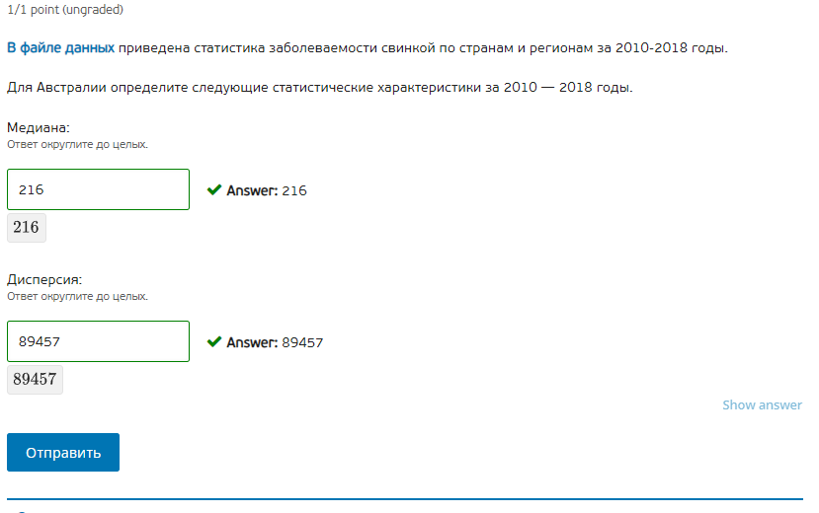
Cname | Year | Number of cases
Australia | 2010 | 89
Australia | 2011 | 145
Australia | 2012 | 195
Australia | 2013 | 216
Australia | 2014 | 187
Australia | 2015 | 633
Australia | 2016 | 800
Australia | 2017 | 806
Australia | 2018 | 634

Australia | 2010 | 89 | Мед | 216
Australia | 2011 | 145 | ДиспВ | 89456.5
Australia | 2012 | 195
Australia | 2013 | 216
Australia | 2014 | 187
Australia | 2015 | 633
Australia | 2016 | 800
Australia | 2017 | 806
Australia | 2018 | 634

Лист4
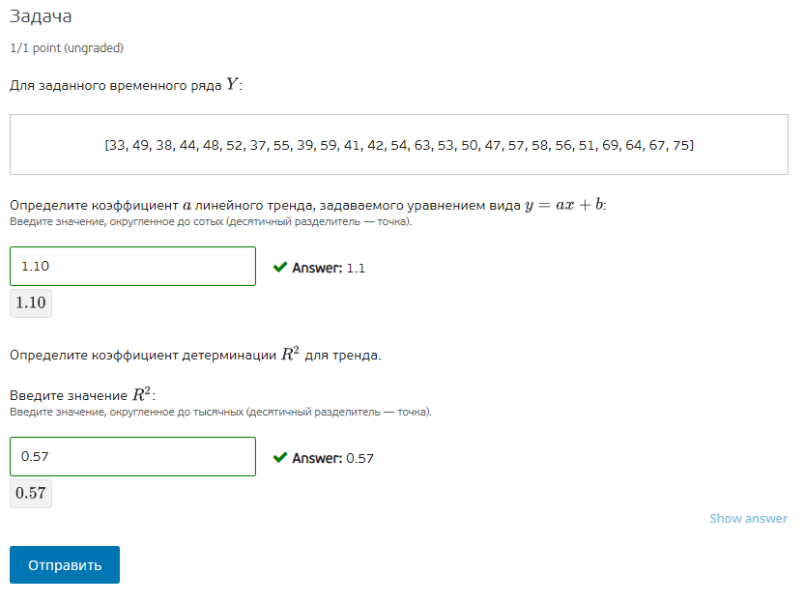
y | x
33 | 1 | a | 1.0962
49 | 2 | b | 37.79
38 | 3 | R^2 | 0.5703
44 | 4
48 | 5
52 | 6
37 | 7
55 | 8
39 | 9
59 | 10
41 | 11
42 | 12
54 | 13
63 | 14
53 | 15
50 | 16
47 | 17
57 | 18
58 | 19
56 | 20
51 | 21
69 | 22
64 | 23
67 | 24
75 | 25

Лист5
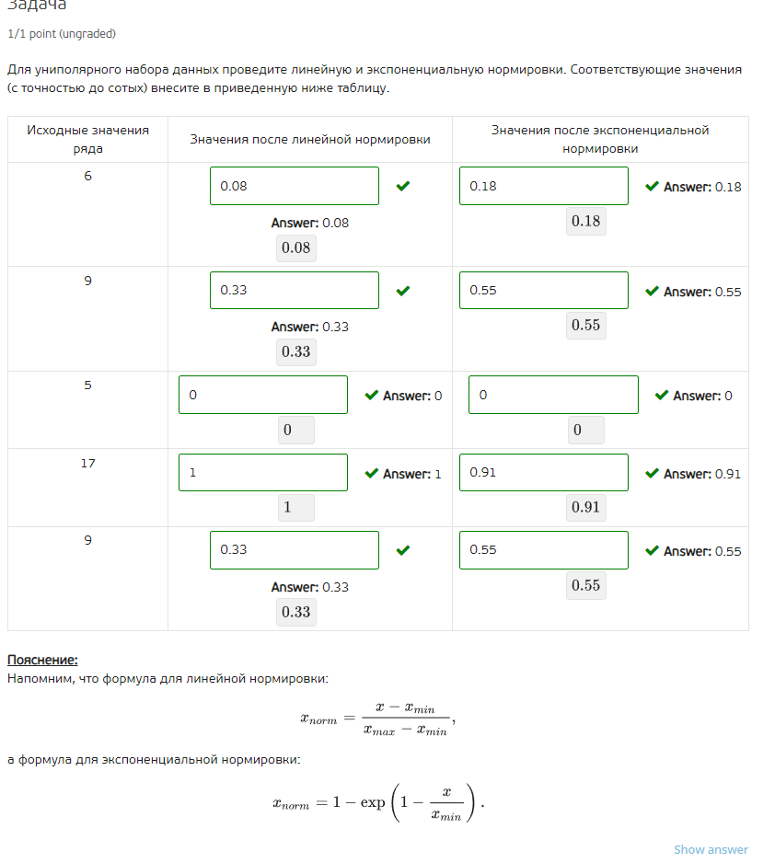
x | normlin | normexp
6 | 0.08 | 0.18
9 | 0.33 | 0.55
5 | 0.00 | 0.00
17 | 1.00 | 0.91
9 | 0.33 | 0.55

 | 0.08 | 0.18
 | 0.33 | 0.55
 | 0.00 | 0.00
 | 1.00 | 0.91
 | 0.33 | 0.55

 | 0.08 | 0.18
 | 0.33 | 0.55
 | 0 | 0
 | 1 | 0.91
 | 0.33 | 0.55

Лист6
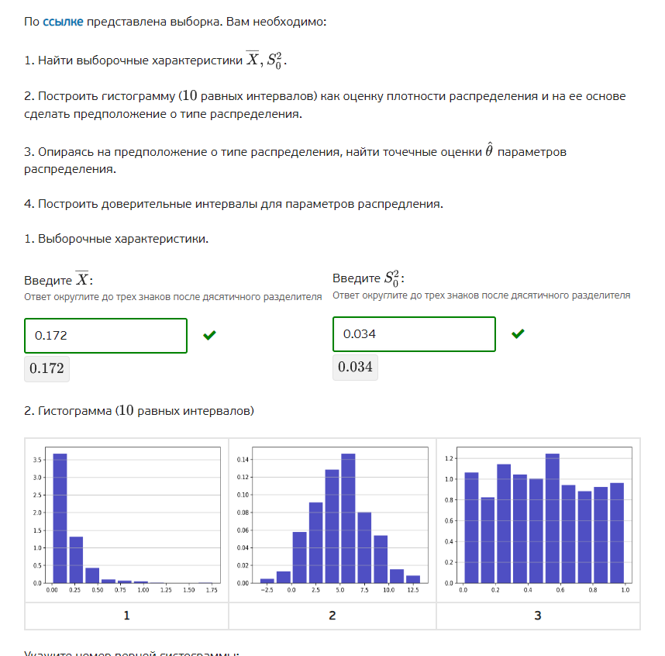
Column1 | X-Xср
0.012225072938 | -0.15988570864 | Xср | 0.17211078158
0.305377173 | 0.13326639142 | S0^2, дисп | 0.034415104019 | 0.034484210654
0.021557377284 | -0.1505534043 |  |  | =СУММКВ(C$2:C$1048576)/(СУММ(G10:G19)-1)
0.14039496455 | -0.031715817027 | n | 500
0.095764279803 | -0.076346501778 | xmin | 7.9821380488E-05
0.0031543300811 | -0.1689564515 | xmax | 1.769206949
0.0069132046934 | -0.16519757689 | h | 0.17691271276
0.04747840419 | -0.12463237739
0.016370176586 | -0.15574060499 | 7.9821380488E-05 | 0.17699253414 | 325 | =СЧЁТЕСЛИМН(A:A;">="&C10;A:A;"<"&D10)
0.19781091361 | 0.025700132033 | 0.17699253414 | 0.3539052469 | 116
0.026181136805 | -0.14592964478 | 0.3539052469 | 0.53081795966 | 38
0.10060358652 | -0.071507195066 | 0.53081795966 | 0.70773067242 | 9
0.04046781234 | -0.13164296924 | 0.70773067242 | 0.88464338518 | 6
0.072801473075 | -0.099309308506 | 0.88464338518 | 1.0615560979 | 4
0.11308773942 | -0.059023042157 | 1.0615560979 | 1.2384688107 | 1
0.40755301172 | 0.23544223014 | 1.2384688107 | 1.4153815235 | 0
0.24194874439 | 0.069837962809 | 1.4153815235 | 1.5922942362 | 0
0.60603687254 | 0.43392609096 | 1.5922942362 | 1.769206949 | 0
0.085794631639 | -0.086316149942
0.13411443939 | -0.037996342186
0.060967182192 | -0.11114359939
0.14723132287 | -0.024879458708
0.053578905517 | -0.11853187606
0.10104167477 | -0.071069106815
0.23623920399 | 0.064128422406
0.28356545335 | 0.11145467177
0.049641213651 | -0.12246956793
0.37258918173 | 0.20047840014
0.2112243119 | 0.039113530323 | teta | 5.8102112536
0.0034716582565 | -0.16863912332
0.025664596201 | -0.14644618538 | Уровень значимости |  | 0.05
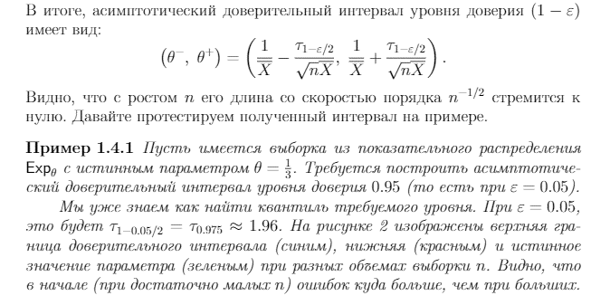
0.065582716125 | -0.10652806546
0.27585187647 | 0.10374109489
0.084857548912 | -0.087253232669
0.092144405437 | -0.079966376144
0.088992590222 | -0.083118191359
0.25785226264 | 0.085741481059
0.20837437552 | 0.036263593939
0.0038981613595 | -0.16821262022
0.063242856066 | -0.10886792551
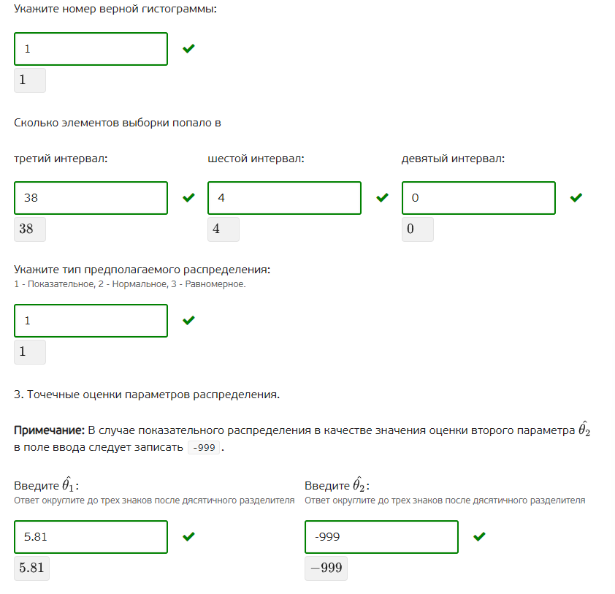
0.13788268711 | -0.03422809447
0.2298251889 | 0.057714407322
0.15677400739 | -0.015336774186
0.037890920791 | -0.13421986079 | t2, квантиль распр стюдента | 0.975 | 0.025
0.17670836166 | 0.0045975800763 | Tn-1 | 1.964729391 | -1.964729391
0.18112363887 | 0.0090128572932
0.34141692445 | 0.16930614287 | teta- | 5.2996948948
0.27786900798 | 0.1057582264
0.078100696564 | -0.094010085018
0.013029650399 | -0.15908113118
0.23825493646 | 0.066144154874
0.01098231522 | -0.16112846636
0.30651832531 | 0.13440754372
0.19661920448 | 0.024508422896
0.098401817075 | -0.073708964506
0.074991796526 | -0.097118985055
0.12097764895 | -0.051133132636
0.10187631493 | -0.070234466647
0.27535805561 | 0.10324727403
0.063368905218 | -0.10874187636
0.30942256999 | 0.13731178841
0.11199263641 | -0.06011814517
0.12946480392 | -0.042645977663
0.29157271945 | 0.11946193787
0.12288619142 | -0.049224590159
0.025641660091 | -0.14646912149
0.059985652499 | -0.11212512908
0.27419709791 | 0.10208631633
0.06415335927 | -0.10795742231
0.0035757076631 | -0.16853507392
0.10977350535 | -0.062337276231
0.0043951576937 | -0.16771562389
0.11739298394 | -0.054717797638
0.41690036721 | 0.24478958563
0.038648225016 | -0.13346255657
0.43334761163 | 0.26123683005
0.054132161732 | -0.11797861985
0.032276689168 | -0.13983409241
0.77262526273 | 0.60051448115
0.19662835392 | 0.024517572343
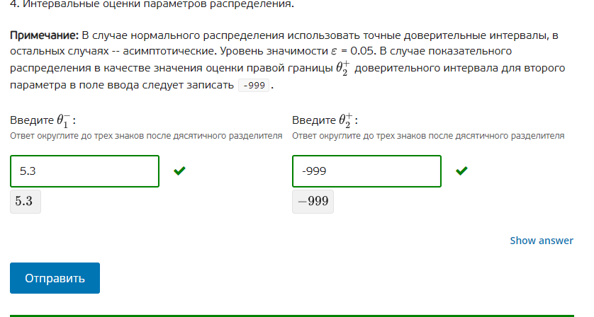
0.23248188617 | 0.060371104589
0.020590542275 | -0.15152023931
0.014987582148 | -0.15712319943
0.18258183185 | 0.010471050271
0.066639667194 | -0.10547111439
0.074811588308 | -0.097299193273
0.12446369409 | -0.047647087486
0.092152618255 | -0.079958163326
0.28559683242 | 0.11348605084
0.14116038756 | -0.030950394021
0.3549271329 | 0.18281635132
0.26874334177 | 0.096632560188
0.071777980852 | -0.10033280073
0.24694245948 | 0.074831677903
0.3780252333 | 0.20591445172
0.25675332485 | 0.084642543267
0.055541293255 | -0.11656948833
0.35604918559 | 0.18393840401
0.13138318688 | -0.040727594698
0.29339823232 | 0.12128745074
0.044361852538 | -0.12774892904
0.037791183974 | -0.13431959761
0.529687241 | 0.35757645942
0.2421812001 | 0.070070418518
0.034760652769 | -0.13735012881
0.1056186025 | -0.066492179086
0.11637007577 | -0.055740705814
0.03153008443 | -0.14058069715
0.059066934201 | -0.11304384738
0.05217971287 | -0.11993106871
0.36324438794 | 0.19113360636
0.11661317345 | -0.055497608134
0.14153123725 | -0.030579544327
0.069864701814 | -0.10224607977
0.15678342197 | -0.015327359611
0.021422529486 | -0.15068825209
0.0066159405977 | -0.16549484098
1.769206949 | 1.5970961674
0.051983897662 | -0.12012688392
0.049556171871 | -0.12255460971
0.053975065373 | -0.11813571621
0.048334464532 | -0.12377631705
0.38003460734 | 0.20792382576
0.30055061975 | 0.12843983817
0.026365739182 | -0.1457450424
0.89852170676 | 0.72641092518
0.073272662642 | -0.098838118939
0.13202530411 | -0.040085477475
0.11281846618 | -0.059292315397
0.023144912818 | -0.14896586876
0.3277491364 | 0.15563835482
0.041068249534 | -0.13104253205
0.28985933 | 0.11774854842
1.0612076946 | 0.88909691299
0.79065672898 | 0.6185459474
0.028597188371 | -0.14351359321
0.10602260574 | -0.066088175843
0.2048427449 | 0.032731963318
0.069254068904 | -0.10285671268
0.19886628394 | 0.02675550236
0.22999090388 | 0.057880122301
0.28307706165 | 0.11096628007
0.31367452592 | 0.14156374434
0.014181788202 | -0.15792899338
0.061285397754 | -0.11082538383
0.13720409883 | -0.034906682756
0.42066423127 | 0.24855344969
0.016614871093 | -0.15549591049
0.086784318305 | -0.085326463276
0.12886575894 | -0.04324502264
0.17476726584 | 0.002656484254
0.061834681076 | -0.1102761005
0.30684641836 | 0.13473563678
0.11441653964 | -0.057694241945
0.20275280388 | 0.030642022297
0.18932497977 | 0.017214198185
0.16276354211 | -0.0093472394714
1.0208249848 | 0.84871420321
0.028988903355 | -0.14312187823
0.28537628228 | 0.1132655007
0.060041720295 | -0.11206906129
0.018660325874 | -0.15345045571
0.056216392663 | -0.11589438892
0.20839695036 | 0.036286168779
0.045396910521 | -0.12671387106
0.19937030243 | 0.027259520849
0.0043098937718 | -0.16780088781
0.43967360894 | 0.26756282736
0.075184230757 | -0.096926550824
0.26828743234 | 0.096176650762
0.21189674925 | 0.03978596767
0.15375608751 | -0.018354694074
0.043877334466 | -0.12823344712
0.097707612719 | -0.074403168862
0.17170492227 | -0.00040585930982
0.25417052776 | 0.082059746175
0.26312095824 | 0.091010176661
0.079922517588 | -0.092188263993
0.087351407023 | -0.084759374558
0.018611396397 | -0.15349938518
0.096339866091 | -0.07577091549
0.3209549443 | 0.14884416272
0.58128484406 | 0.40917406248
0.21225099167 | 0.040140210084
0.087964594422 | -0.084146187159
0.024977633682 | -0.1471331479
0.0037239306418 | -0.16838685094
0.041918762768 | -0.13019201881
0.073535853268 | -0.098574928313
0.25445686418 | 0.082346082596
0.099458142328 | -0.072652639253
0.10800722599 | -0.064103555589
0.12104349022 | -0.051067291361
0.076604349449 | -0.095506432132
0.050731780167 | -0.12137900141
0.2706131161 | 0.098502334515
0.38505382349 | 0.21294304191
0.074663656054 | -0.097447125527
0.35912045758 | 0.187009676
0.060911126346 | -0.11119965523
0.05560691221 | -0.11650386937
0.039898797025 | -0.13221198456
0.090864459114 | -0.081246322467
0.022411694179 | -0.1496990874
0.82516390206 | 0.65305312048
0.094723121836 | -0.077387659745
0.15982518372 | -0.012285597859
0.64448640084 | 0.47237561926
0.057871028855 | -0.11423975273
0.10095125026 | -0.071159531318
0.084620880105 | -0.087489901476
0.25899197004 | 0.086881188457
0.16015114234 | -0.011959639245
0.14922117019 | -0.022889611392
0.022183200165 | -0.14992758142
0.0052362665479 | -0.16687451503
0.044015610844 | -0.12809517074
0.002139590098 | -0.16997119148
0.053513950917 | -0.11859683066
0.47430613625 | 0.30219535467
0.054004183279 | -0.1181065983
0.0131356697 | -0.15897511188
0.053448410519 | -0.11866237106
0.7117636561 | 0.53965287452
0.091543718141 | -0.08056706344
0.21832072992 | 0.046209948336
0.1591673598 | -0.012943421784
0.033225697982 | -0.1388850836
0.22698528126 | 0.054874499679
0.075814850998 | -0.096295930583
0.24991949258 | 0.077808711002
0.26276608771 | 0.090655306124
0.16765857446 | -0.0044522071179
0.23829856109 | 0.066187779506
0.16937619429 | -0.0027345872924
0.17743318397 | 0.0053224023907
7.98E-05 | -0.1720309602
0.12635674527 | -0.04575403631
0.032778435846 | -0.13933234574
0.24431941433 | 0.072208632748
0.004223956581 | -0.167886825
0.011356589818 | -0.16075419176
0.065819490489 | -0.10629129109
0.14615033003 | -0.025960451548
0.017667104349 | -0.15444367723
0.11616688063 | -0.055943900954
0.26907191788 | 0.096961136295
0.012161393866 | -0.15994938772
0.30429186154 | 0.13218107996
0.19534570722 | 0.023234925637
0.022094848601 | -0.15001593298
0.12711679707 | -0.044993984509
0.31012811128 | 0.1380173297
0.16010341815 | -0.012007363434
0.86777593754 | 0.69566515596
0.067790063031 | -0.10432071855
0.30994462326 | 0.13783384168
0.086890450263 | -0.085220331318
0.32370733872 | 0.15159655714
0.26520578056 | 0.093094998981
0.018626732009 | -0.15348404957
0.20943284341 | 0.037322061824
0.29519877108 | 0.12308798949
0.16787280189 | -0.0042379796889
0.069336552642 | -0.10277422894
0.035384432594 | -0.13672634899
0.13926501801 | -0.032845763573
0.0045673262439 | -0.16754345534
0.0090716338916 | -0.16303914769
0.28238065193 | 0.11026987034
0.28882099337 | 0.11671021179
0.0038820237822 | -0.1682287578
0.034493981287 | -0.13761680029
0.18697863809 | 0.014867856509
0.39831096596 | 0.22620018438
0.20974737583 | 0.037636594248
0.25935115279 | 0.087240371205
0.015458183847 | -0.15665259773
0.094131003332 | -0.077979778249
0.40964025442 | 0.23752947283
0.24076287958 | 0.068652097997
0.038369659667 | -0.13374112191
0.043947372939 | -0.12816340864
0.37788412029 | 0.20577333871
0.22651370908 | 0.0544029275
0.090277957804 | -0.081832823777
0.61443766299 | 0.44232688141
0.60251458119 | 0.43040379961
0.0097285097634 | -0.16238227182
0.12937514547 | -0.042735636116
0.33160210162 | 0.15949132004
0.14960840886 | -0.022502372725
0.37894067486 | 0.20682989328
0.13246650924 | -0.03964427234
0.30778135433 | 0.13567057275
0.16704764938 | -0.0050631321963
0.26105568489 | 0.088944903307
0.007413477636 | -0.16469730395
0.053031210622 | -0.11907957096
0.16518797366 | -0.0069228079194
0.15143033933 | -0.020680442248
0.67718723401 | 0.50507645242
0.15991671118 | -0.012194070404
0.14110242735 | -0.031008354231
0.20628751499 | 0.034176733412
0.064636464053 | -0.10747431753
0.089528041521 | -0.08258274006
0.14108809482 | -0.031022686761
0.032872119342 | -0.13923866224
0.20024735562 | 0.028136574039
0.099590695786 | -0.072520085795
0.088626950467 | -0.083483831114
0.56718427729 | 0.39507349571
0.0092533480472 | -0.16285743353
0.21362101457 | 0.041510232991
0.16482165414 | -0.0072891274405
0.087540915793 | -0.084569865788
0.029974014539 | -0.14213676704
0.075380413766 | -0.096730367815
0.049519428594 | -0.12259135299
0.15580344976 | -0.016307331825
0.52068200876 | 0.34857122718
0.35679276545 | 0.18468198387
0.16369764921 | -0.0084131323687
0.18501267796 | 0.012901896376
0.37909818986 | 0.20698740828
0.19082844208 | 0.0187176605
0.11257128839 | -0.05953949319
0.23092940098 | 0.058818619399
0.045700829573 | -0.12640995201
0.0016509540333 | -0.17045982755
0.014454414729 | -0.15765636685
0.11726170691 | -0.05484907467
0.11315851039 | -0.058952271192
0.1696423109 | -0.002468470677
0.14257496272 | -0.029535818864
0.012944031984 | -0.1591667496
0.084102539466 | -0.088008242115
0.081367320879 | -0.090743460702
0.068910929634 | -0.10319985195
0.12474278895 | -0.047367992633
0.12686109967 | -0.04524968191
0.1289169139 | -0.043193867684
0.21099098309 | 0.038880201512
0.087818277795 | -0.084292503786
0.15304819632 | -0.01906258526
0.0060515732652 | -0.16605920832
0.088964253962 | -0.083146527619
0.40983364943 | 0.23772286784
0.37005031272 | 0.19793953114
0.32246822774 | 0.15035744616
0.066308118696 | -0.10580266289
0.015031880948 | -0.15707890063
0.06993053339 | -0.10218024819
0.001012576864 | -0.17109820472
0.0087183412128 | -0.16339244037
0.51850280515 | 0.34639202357
0.25380253293 | 0.081691751352
0.12933118045 | -0.042779601129
1.0152165784 | 0.84310579683
0.36603017268 | 0.1939193911
0.014403505116 | -0.15770727647
0.041554232626 | -0.13055654896
0.31742793577 | 0.14531715419
0.35914390709 | 0.18703312551
0.10936115669 | -0.06274962489
0.042956789597 | -0.12915399198
0.24332313961 | 0.071212358032
0.010456895874 | -0.16165388571
0.030874632335 | -0.14123614925
0.060128065381 | -0.1119827162
0.006307348339 | -0.16580343324
1.0675351371 | 0.89542435553
0.16827675241 | -0.0038340291738
0.092333645621 | -0.07977713596
0.092685190775 | -0.079425590806
0.12354251517 | -0.048568266411
0.2245078332 | 0.052397051617
0.29234044648 | 0.1202296649
0.097698607058 | -0.074412174523
0.11198374134 | -0.060127040238
0.056606962052 | -0.11550381953
0.0046711187033 | -0.16743966288
0.018113765241 | -0.15399701634
0.10297385106 | -0.069136930522
0.078961647 | -0.093149134581
0.16042941388 | -0.011681367699
0.36609184564 | 0.19398106406
0.20226852098 | 0.030157739401
0.0074989087802 | -0.1646118728
0.028267019136 | -0.14384376244
0.02160835736 | -0.15050242422
0.20749730282 | 0.035386521242
0.078350503884 | -0.093760277697
0.13828404874 | -0.033826732836
0.44469641076 | 0.27258562918
0.2402447611 | 0.068133979521
0.10614917113 | -0.065961610455
0.0075196492323 | -0.16459113235
0.11971804501 | -0.052392736568
0.1828607843 | 0.010750002716
0.015495338136 | -0.15661544344
0.049219707286 | -0.1228910743
0.027937767982 | -0.1441730136
0.1313908686 | -0.040719912982
0.52626217448 | 0.3541513929
0.1335077357 | -0.038603045877
0.20820310585 | 0.036092324266
0.23822947153 | 0.066118689953
0.063466015797 | -0.10864476578
0.012756580619 | -0.15935420096
0.12546024291 | -0.046650538671
0.023832706523 | -0.14827807506
0.015643822613 | -0.15646695897
0.032386224656 | -0.13972455693
0.15131345194 | -0.020797329639
0.13464900445 | -0.037461777132
0.18783708736 | 0.015726305775
0.20006840758 | 0.027957625997
0.23909780843 | 0.066987026851
0.047656139849 | -0.12445464173
0.098624182234 | -0.073486599347
0.017061752287 | -0.15504902929
0.42921163002 | 0.25710084844
0.0067679321777 | -0.1653428494
0.36595143647 | 0.19384065489
0.028050039992 | -0.14406074159
0.01654063351 | -0.15557014807
0.49676465552 | 0.32465387394
0.05227626073 | -0.11983452085
0.062813168169 | -0.10929761341
0.065876292439 | -0.10623448914
0.064956742661 | -0.10715403892
0.53467782302 | 0.36256704144
0.13547203684 | -0.036638744741
0.074227453303 | -0.097883328278
0.025949741347 | -0.14616104023
0.16005835574 | -0.012052425839
0.13157864577 | -0.040532135812
0.11597877372 | -0.056132007856
0.51372286278 | 0.3416120812
0.20884516855 | 0.036734386974
0.031177620987 | -0.14093316059
0.18040686018 | 0.0082960785964
0.14409318986 | -0.028017591721
0.055760881241 | -0.11634990034
0.30831817913 | 0.13620739755
0.09923199213 | -0.072878789451
0.33497169175 | 0.16286091017
0.10994637703 | -0.062164404555
0.029772334355 | -0.14233844723
0.058637175217 | -0.11347360636
0.16832257038 | -0.003788211197
0.041787128998 | -0.13032365258
0.2620287414 | 0.089917959821
0.022351892129 | -0.14975888945
0.16638122082 | -0.0057295607637
0.19075432001 | 0.018643538428
0.17331815857 | 0.0012073769924
0.017016033043 | -0.15509474854
0.062218604916 | -0.10989217666
0.010376561422 | -0.16173422016
0.32653714416 | 0.15442636258
0.18213518533 | 0.010024403748
0.0055460149744 | -0.16656476661
0.46407897277 | 0.29196819119
0.058873341372 | -0.11323744021
0.71028432716 | 0.53817354558
0.0098242415099 | -0.16228654007
0.15350061774 | -0.018610163838
0.10017520352 | -0.071935578064
0.24051775294 | 0.068406971357
0.31475602747 | 0.14264524589
0.052282725066 | -0.11982805651
0.54011969145 | 0.36800890987
0.27566255516 | 0.10355177358
0.047524661567 | -0.12458612001
0.40040374472 | 0.22829296314
0.1213310955 | -0.050779686078
0.12252850642 | -0.049582275163
0.22117519549 | 0.049064413911
0.35664731186 | 0.18453653027
0.17252038149 | 0.00040959990563
0.01801937876 | -0.15409140282
0.2099619887 | 0.037851207122
0.10144632663 | -0.070664454955
0.084278616939 | -0.087832164642
0.065219467722 | -0.10689131386
0.10737913614 | -0.064731645446
0.33624468192 | 0.16413390034
0.47410981754 | 0.30199903596
0.055309933733 | -0.11680084785
0.31052124353 | 0.13841046194
0.11304225255 | -0.059068529029
0.052218342899 | -0.11989243868
0.04894223522 | -0.12316854636
0.17223177943 | 0.00012099784905
0.086631956992 | -0.085478824589
0.29897914107 | 0.12686835949
0.095284145427 | -0.076826636154

